README
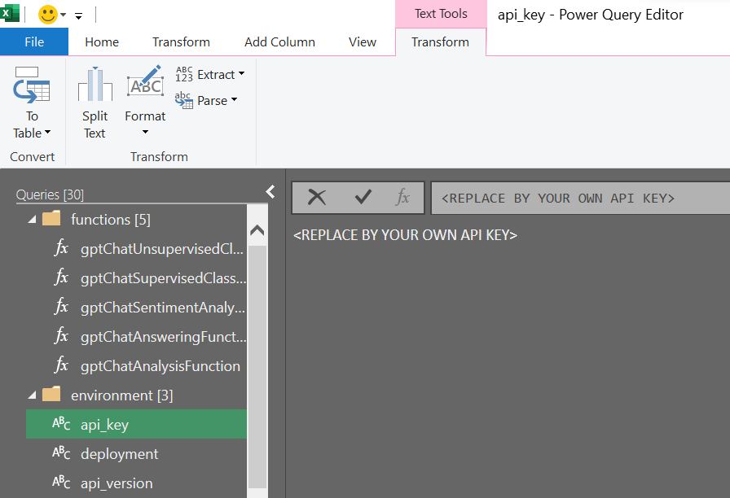
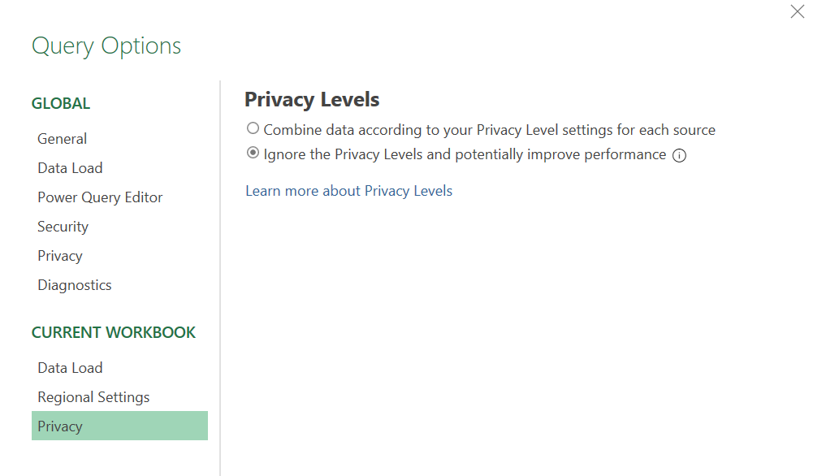
Open the Power Query editor.
Replace values of API key and base with yours.
If needed, change deployment and api_version values.
Refresh the queries.
In case of issue "Formula.Firewall", go to Query Options and switch the privacy level to "Ignore...".
Refresh once again.

